Sheet1
Description | Units | Image | RRP | Total RRP
mane tribe Moisture Cleanse 500ml | 1434 | 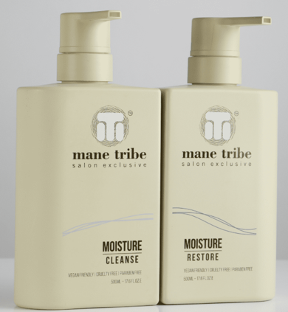 | £17.95 | £25,740.30
mane tribe Moisture Restore 500ml | 1475 | 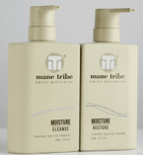 | £17.95 | £26,476.25
mane tribe Volume Cleanse 500ml | 1528 | 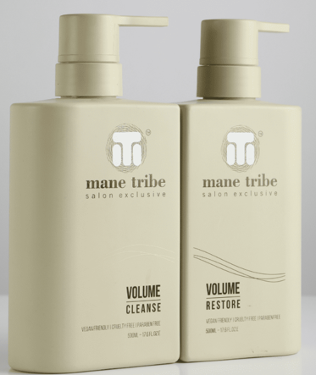 | £17.95 | £27,427.60
mane tribe Volume Restore 500ml | 1588 |  | £17.95 | £28,504.60
mane tribe Smooth Cleanse 500ml | 1537 | 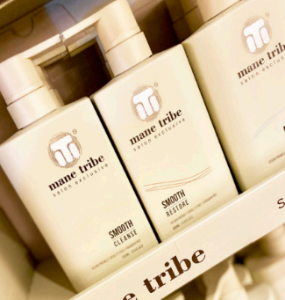 | £17.95 | £27,589.15
mane tribe Smooth Restore 500ml | 1548 |  | £17.95 | £27,786.60
mane tribe Blonde Cleanse 500ml | 1596 | 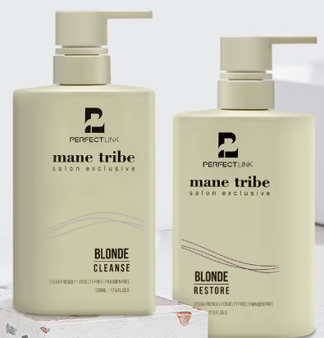 | £17.95 | £28,648.20
mane tribe Blonde Restore 500ml | 1634 |  | £17.95 | £29,330.30
mane tribe Frizz Free (Smoothing) Cream 150ml | 1484 |  | £17.95 | £26,637.80
mane tribe Root Lift Foam 150ml | 1555 | 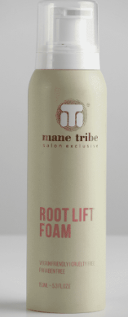 | £17.95 | £27,912.25
mane tribe Texture Spray (with bamboo extract) 150ml (non aerosol) | 1622 | 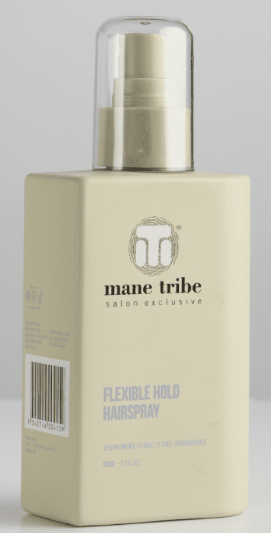 | £17.95 | £29,114.90
mane tribe Flexible Hold Hairspray 150ml (non aerosol) | 1688 |  | £17.95 | £30,299.60
mane tribe Smooth & Shape Cream 95g | 1584 | 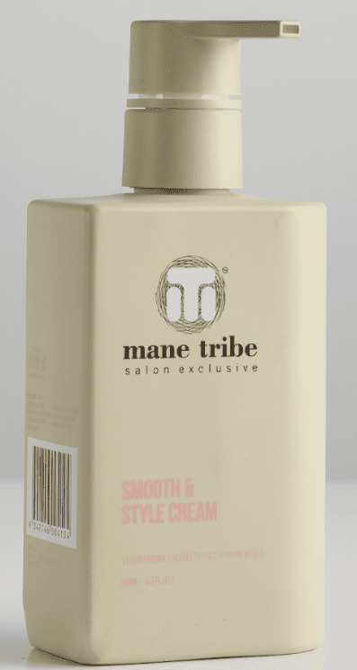 | £17.95 | £28,432.80
mane tribe Soft Styling Gloss 95g | 1657 | 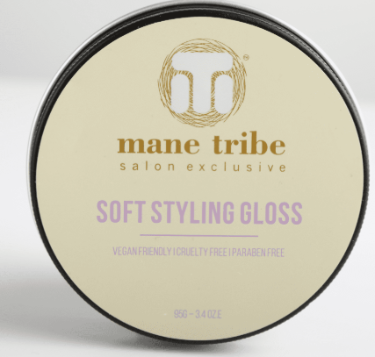 | £17.95 | £29,743.15
mane tribe Volume Wax Powder 30g | 1618 |  | £17.95 | £29,043.10
mane tribe Repair Cleanse 1L | 387 |  | £30.00 | £11,610.00
mane tribe Repair Restore 1L | 421 |  | £30.00 | £12,630.00
mane tribe Volume Cleanse 1L | 392 |  | £30.00 | £11,760.00
mane tribe Volume Restore 1L | 451 |  | £30.00 | £13,530.00
mane tribe Smooth Cleanse 1L | 358 |  | £30.00 | £10,740.00
mane tribe Smooth Restore 1L | 389 |  | £30.00 | £11,670.00
mane tribe Blonde Cleanse 1L | 461 |  | £30.00 | £13,830.00
mane tribe Blonde Restore 1L | 471 |  | £30.00 | £14,130.00
mane tribe Texture Spray (with bamboo extract) 1L (non aerosol) | 488 |  | £30.00 | £14,640.00
mane tribe Flexible Hold Hairspray 1L (non aerosol) | 492 |  | £30.00 | £14,760.00
 | 27858

